Sheet1
sr.no | Questions | Answers
1 | From which location do you create an application? a) The Knowledge Center b) The Appian Designer c) The Administration Console d) The Process Modeler | b
2 | What is the Appian Designer used for? a) Creating applications b) Managing objects c) Managing applications d)Creating objects | a,b,c,d
3 | You should not create a dedicated application for each business solution. True or False? True False | b
4 | What’s the application prefix used for? To name objects created for the application To assign application security permissions To name the cloud database To name the application | a
5 | 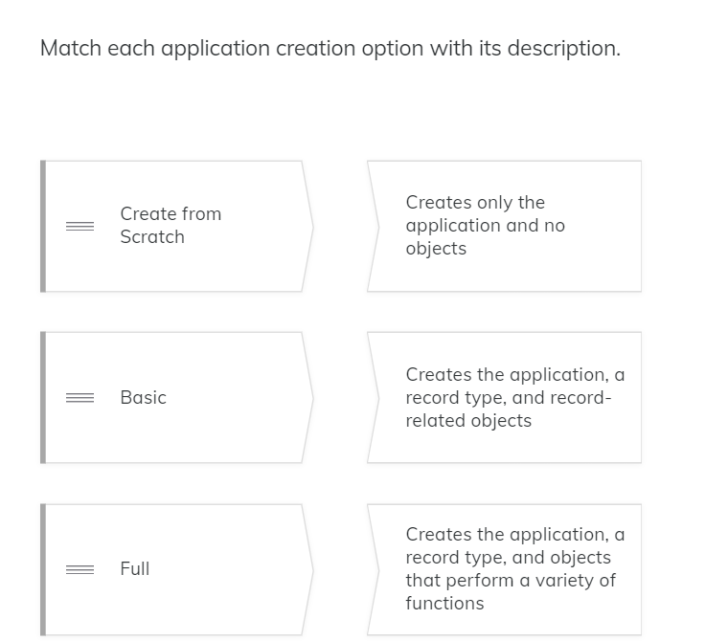 | 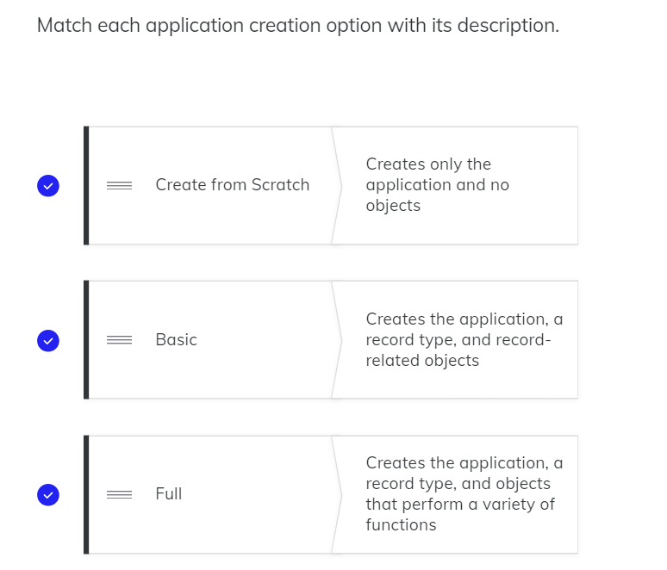
6 | What do you need to specify when creating a basic or full application? The name of a record type The name of an interface The name of the folder for storing the application objects The application name | a,d
7 | 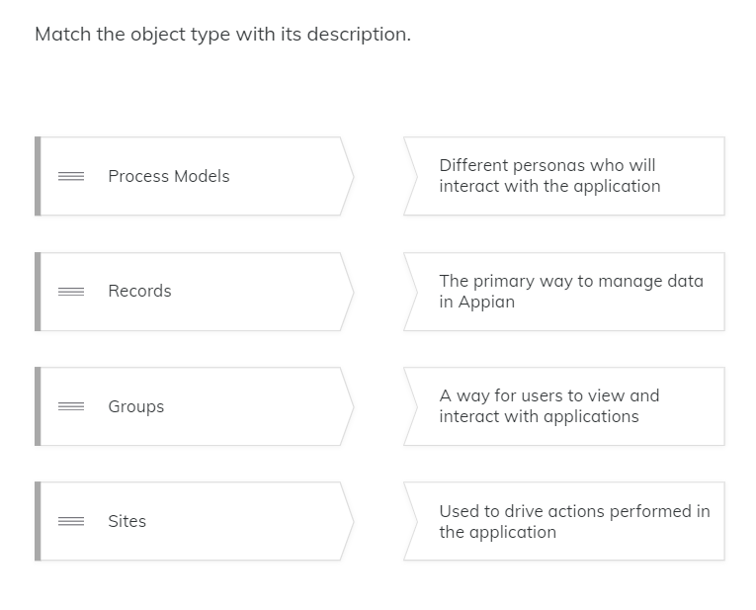 | 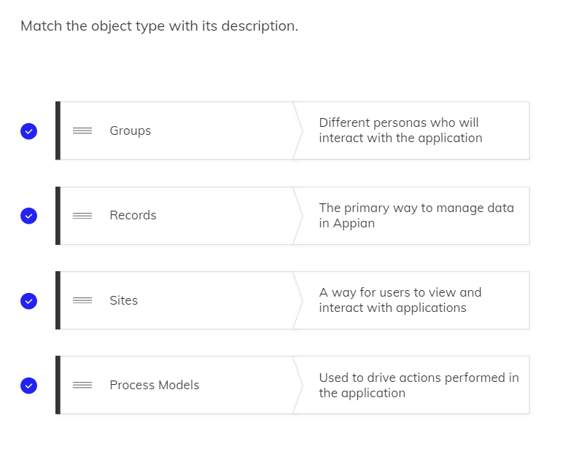
8 | What is stored under the Knowledge Center folder? a) Any type of file uploaded to an application b) Expressions c) Images d) Documents | a,c,d
9 | Under which parent folder would you store interfaces? a) Knowledge Center b) Process Model c) Document d)Rules | d
10 | Which action(s) would you take to locate interfaces that contain the word “Add” in their name? a) Change to the Monitoring view. b) Mark the Group checkbox in the Objects view. c) Type Add in the object search field. d) Mark the Interface checkbox in the Objects view. | c,d
11 | How can you access the commands to delete or duplicate an object? a) Change to the Hierarchical view. b) In the Monitoring view, select an object. c) In the Objects view, select an object. d) Click the Gear icon | c
12 | Which command button would you use to transfer a completed application from a development to testing environment? a) Export b) Duplicate c) Download d) New Application | a
13 | Deleting an application also deletes its objects. True or False? True False | b
14 | How can you identify which application an object belongs to? a) The application prefix b)The object type c) The description d)The Application column | a
15 | How do you access an application's properties? a) Click the gear icon. b) Click the grid icon. c) Go to Monitoring View. d) Go to Hierarchical view. | a
16 | Which workspaces can be accessed from the grid icon? a) Administration Console b)Cloud Database c)Users and Groups d)Deployment History | a,b

